Warranty
Building Owner or Representative |  |  |  | 0
Building Address |  |  |  | 0 |  | 0
Spray-Tec System |  |  |  | 0
Warranty Term |  |  |  | N/A
Roof Sections Covered
Date of Issue
Date of Expiration

SPRAY-TEC, INC. hereby warrants to the Owner of the building located at the address listed above, subject to the terms, conditions, and limitations set forth below, that the Spray-Tec roof system (listed above) will not leak due to deterioration of the newly-sprayed coating or the application thereof, as the result of ordinary weather conditions, for the warranty period set forth above

THIS WARRANTY IS SUBJECT TO THE FOLLOWING TERMS AND CONDITIONS:

1. The warranty does not include leaks, damage or failure caused by or due to hail, lightning, windstorm, tornado, fire, earthquake, hurricane, or other unusual phenomena of the elements or Acts of God; settlement, movement, deflection, warpage, distortion, displacement or any other failure of the structure; cracks, breaks or openings in the substrate to which the materials are applied, as well as cracks, breaks, blisters or ruptures in the structural base exceeding 1/16” in width; surface alterations, additions, objects placed or installations made on the finished surface or use of the finished surface for walking or recreational areas or other unnatural or unintended uses; penetration, vandalism damage or attach by third parties and foreign objects or agents, including animal and plant life, failure of flashings, expansion and control joints and metal work and repairs required by reason of defects therein or any manner related to the design and construction of the building; discoloration or change in visual appearance due to accumulation or streaking of dirt or other airborne materials deposited on the surface from the atmosphere.

2. No claim may be made under this warranty until all payments and other obligations of the contract between the Owner and SPRAY-TEC, INC. have been made and fulfilled by the Owner.

3. Written notice of any defect or malfunction must be delivered to SPRAY-TEC, INC. within thirty (30) days of discovery of same.

4. Prior to repair or replacement of any defective materials or installation, it shall be the Owner’s responsibility to remove, at Owner’s expense, all obstructions from the affected area that would hinder repairs being made in the most expeditious and least expensive manner possible.

5. Owner’s exclusive remedy for claims arising under this warranty shall be repair or replacement, at SPRAY-TEC’s option, during the warranty period. This remedy shall be the sole and exclusive remedy for the obligations of SPRAY-TEC arising from the installation. In no case will SPRAY-TEC be liable for incidental or consequential loss or damage, including, but not limited to property, delay in work, loss of goodwill, loss of profits or other economic loss, whether such incidental or consequential loss or damage is claimed on account of breach of contract, negligence, strict liability, in tort or other legal theory.

6. On an annual basis, SPRAY-TEC shall have the right, at its option, to inspect or have inspected the roofing system and any other areas it determines necessary and shall, with the Owner’s authorization and at the Owner’s expense, make or cause to be made repairs of any damages which are not the responsibility of SPRAY-TEC. This warranty shall be terminated automatically if SPRAY-TEC is not allowed to perform an inspection and if SPRAY-TEC’s recommendations are not followed.

7. SPRAY-TEC neither assumes nor authorizes its personnel or any other person to extend any other warranty in connection with the installation of the new foam/ silicone coating roof system.

8. This warranty constitutes the entire and final expression of this warranty, and it is a complete and conclusive statement of the terms of this warranty.

COVERAGE |  | CLAIM PROCESS |  |  | ITEMS NOT COVERED
Covers defects in workmanship |  | Submit claim in writing within warranty period Website > Submit Warranty Claim |  |  | Normal wear and tear, intentional damage, negligent or deferred maintenance.

Covers labor for repairs |  | Notify contractor of issue within warranty period |  |  | Limited to original repair scope Modifications by unauthorized personnel

Covers materials for repair |  | Provide evidence of defect with materials |  |  | Excludes normal wear and tear Acts of nature

This warranty is null and void should any person or persons not specifically authorized by SPRAY-TEC perform any repairs to the installation. SPRAY-TEC makes no representations or warranties of any kind, express or implied, whether as to merchantability, fitness for a particular purpose, or any other matter, except as specifically set forth on the face hereof with respect to the goods it sells and/or installs.

OWNER |  |  |  |  | SPRAY-TEC INC.
By: __________________________________ |  |  |  |  | By: __________________________________
Title: _________________________________ |  |  |  |  | Title: _________________________________
Date: ________________________________ |  |  |  |  | Date: ________________________________

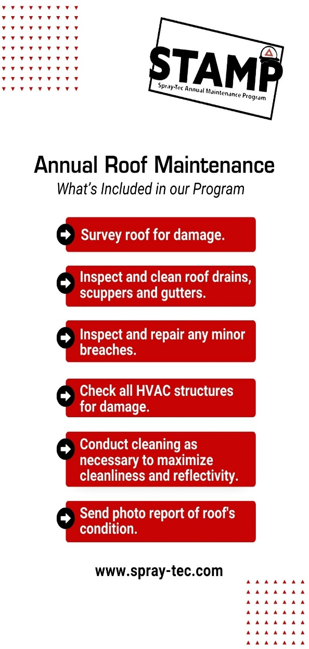
Thank you for partnering with our Team on this project! We aim to make you a PROUD Spray-Tec Customer for the life of your roof and beyond! Enclosed you will find your full system warranty. Please read through it carefully. We recommend you take a few minutes to note what your warranty does NOT cover: hail, tornadoes and other Acts of God; mechanical damage from various trades; clogged gutters or roof drains, are not covered in your warranty. To comply with warranty standards, proper maintenance IS required on our systems. Like many things, annual maintenance can extend the life of your roof well beyond it's warranty. Your new roof should be serviced once (preferably twice!) a year. As part of our loyalty program, we will inspect and perform any necessary maintenance/repairs to your roof one time after this warranty is signed. At that time, a member of our Team will contact you to schedule the inspection. Your presence is not required; you will receive an email of our findings when the inspection is finished. Based on the results of this initial visit, you will be offered the opportunity to enroll in an Annual Maintenance program that best fits your roof’s needs. To learn more about our Annual Service Program (STAMP), please visit our website: www.spray-tec.com/repairs/ Thank you again, Haley J. Burge Operations

NEED FURTHER ASSISTANCE?
Please Contact Our Team from the Directory Below:

Website: www.spray-tec.com |  | Office Phone: (502) 633-5499 |  |  |  | Fax: (502) 633-5499

Department | Spray-Tec Team |  | Contact Information
Sales/Estimating | Aaron Martin |  | amartin@spray-tec.com | Office x105 | (502) 321-1008
 | Anthony Palmer |  | anthony@spray-tec.com | Office x106 | (502) 743-1085
Repairs & Service | Haley J. Burge |  | haley@spray-tec.com | Office x101 | (502) 321-6309
Financial | Kay M. Jordan |  | kay@spray-tec.com | Office x103
Production | Quin Heisler |  | quin@spray-tec.com | (502) 321-0867

